EVD_FIN 08-02
Test Case ID | FIN08-02
Test Case Summary | Lakukan Entry Suspend Merger

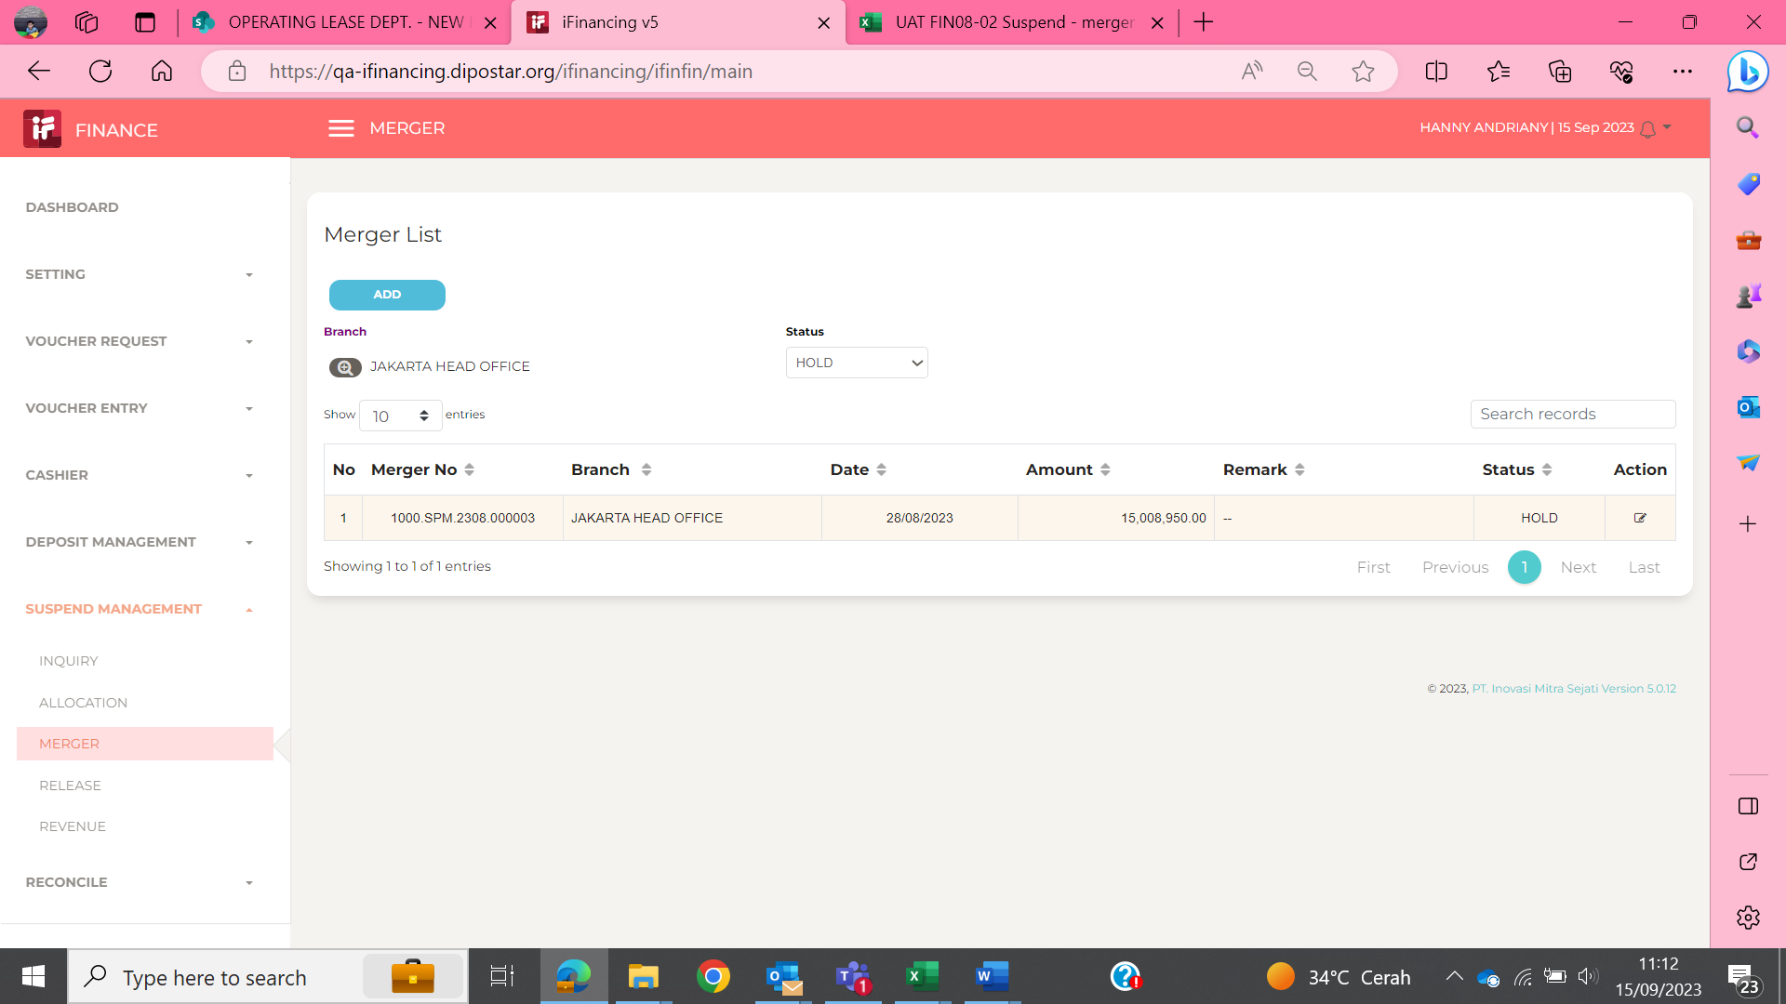
Step # | Test Evidence | Re-Test Evidence (if found Bug/Issue)
1

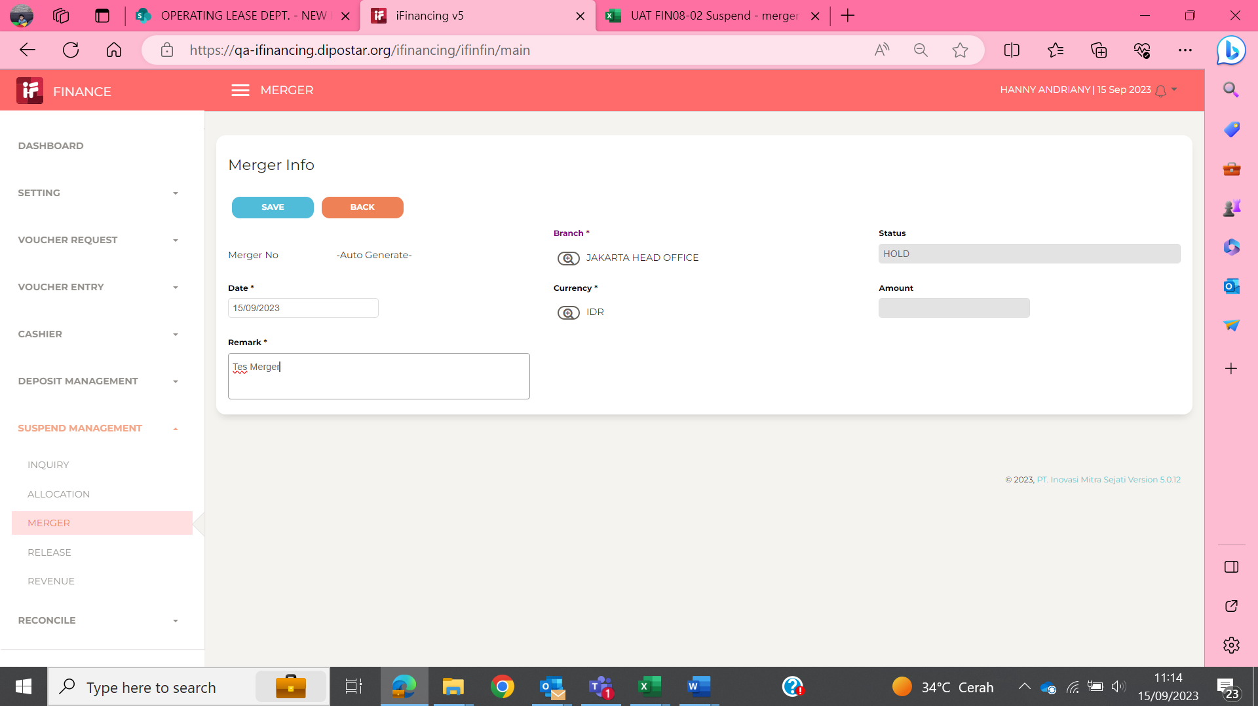
2

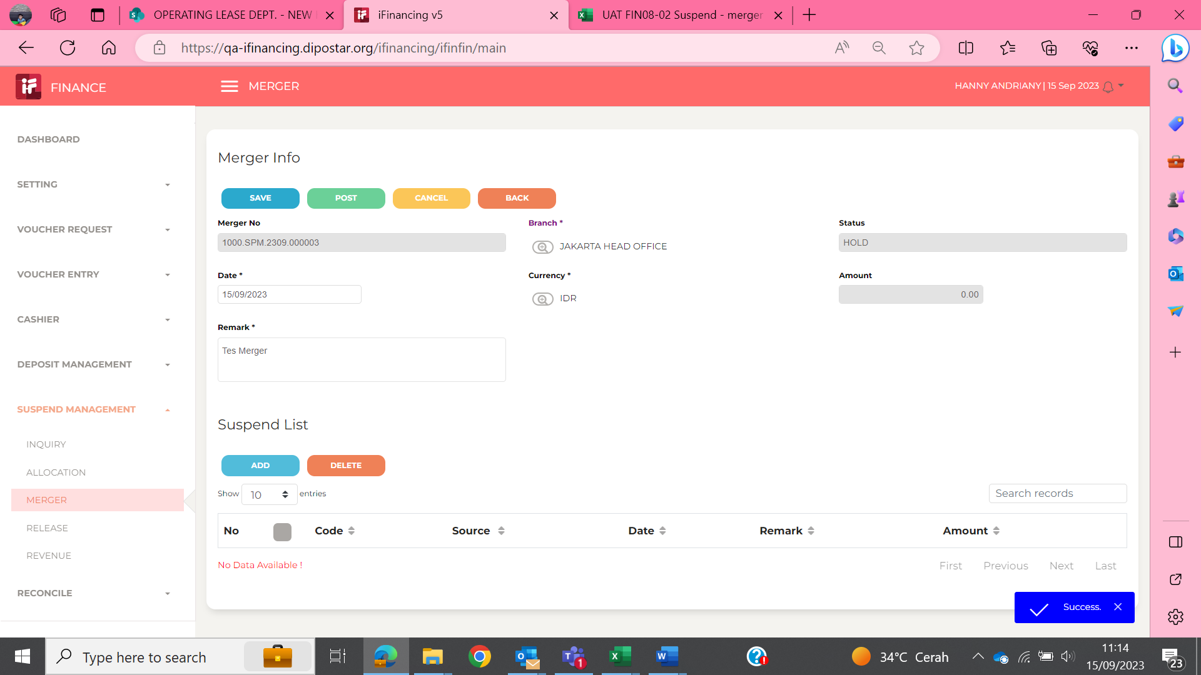
3

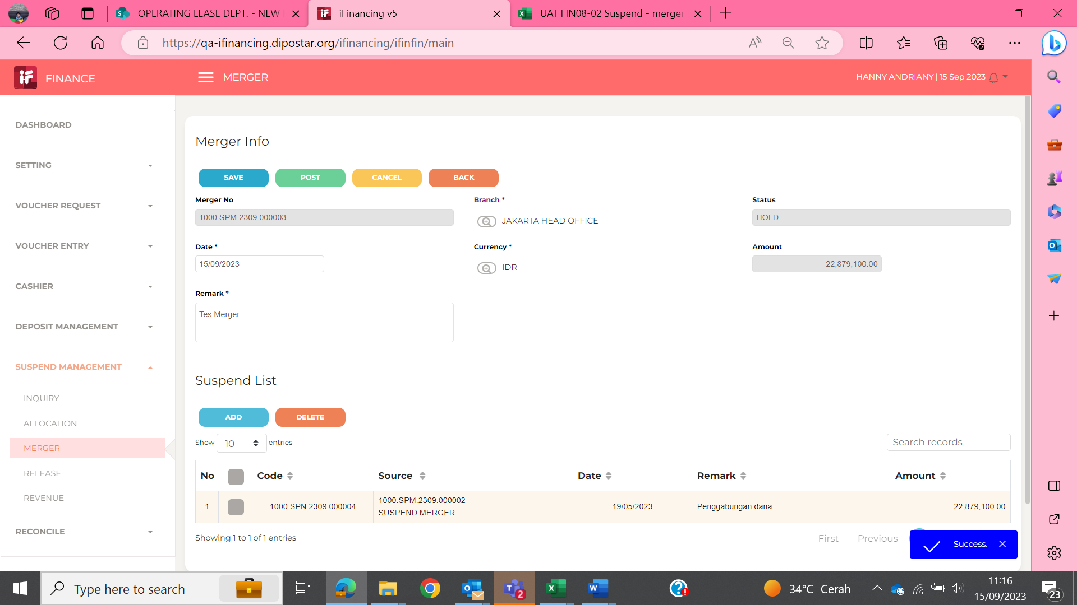
4

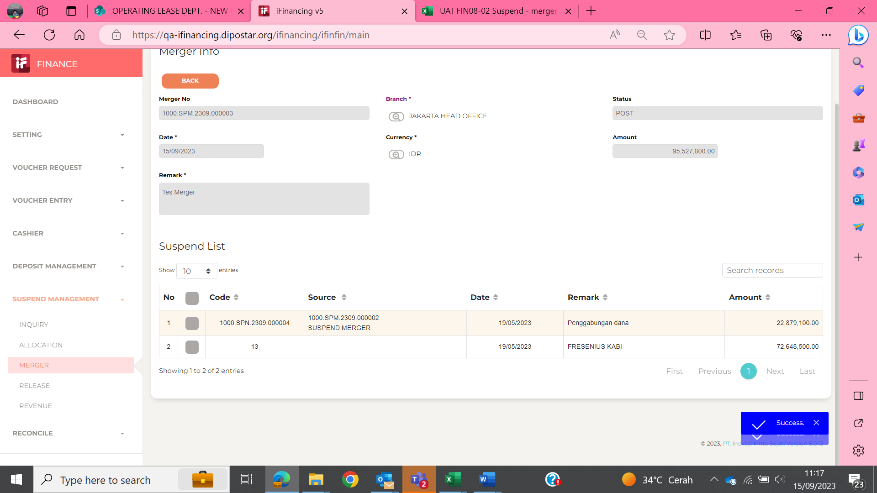
5

EVD_FIN 08-02 (Adhira)
Test Case ID | FIN08-02
Test Case Summary | Lakukan Entry Suspend Merger

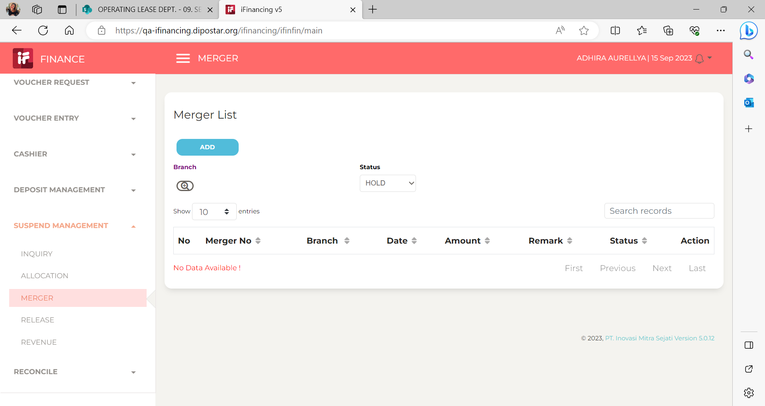
Step # | Test Evidence | Re-Test Evidence (if found Bug/Issue)
1

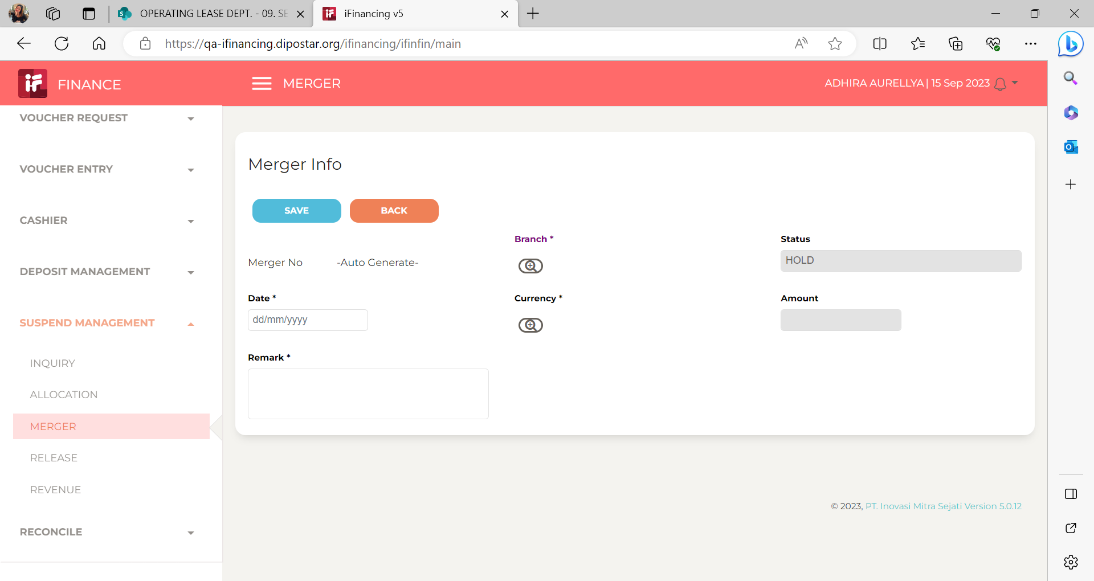
2

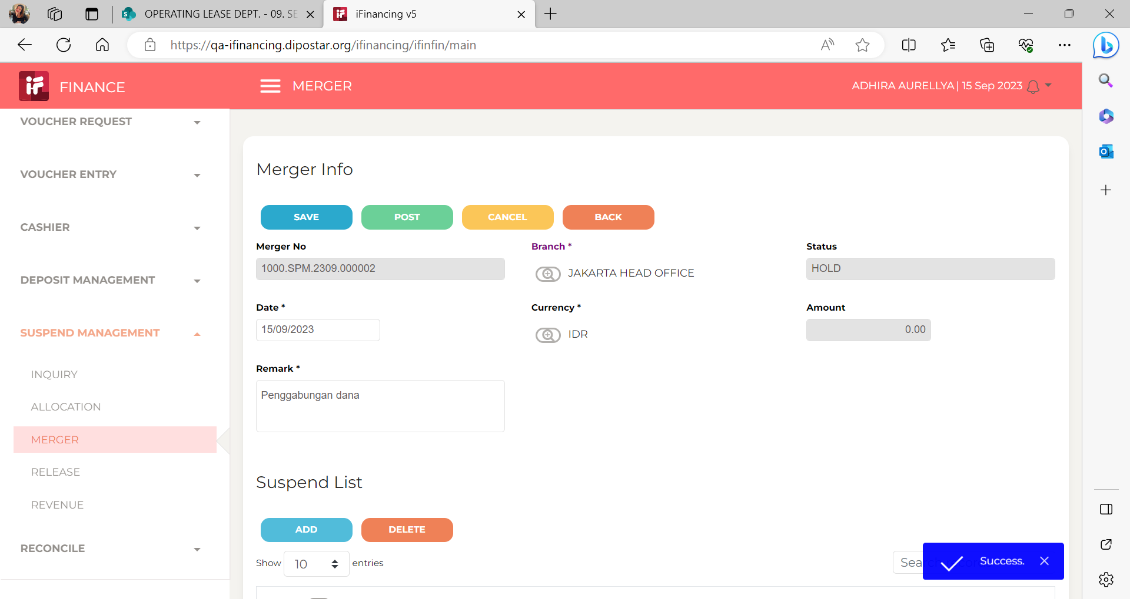
3

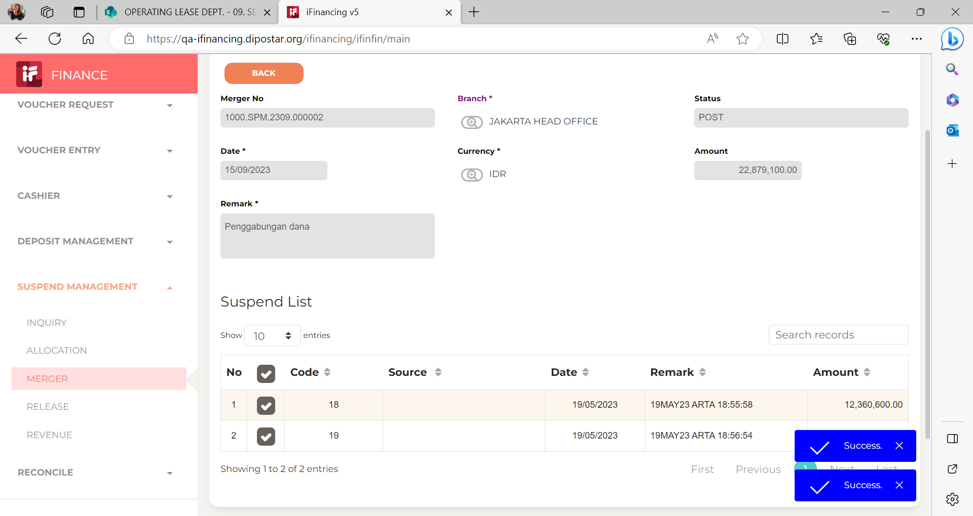
4

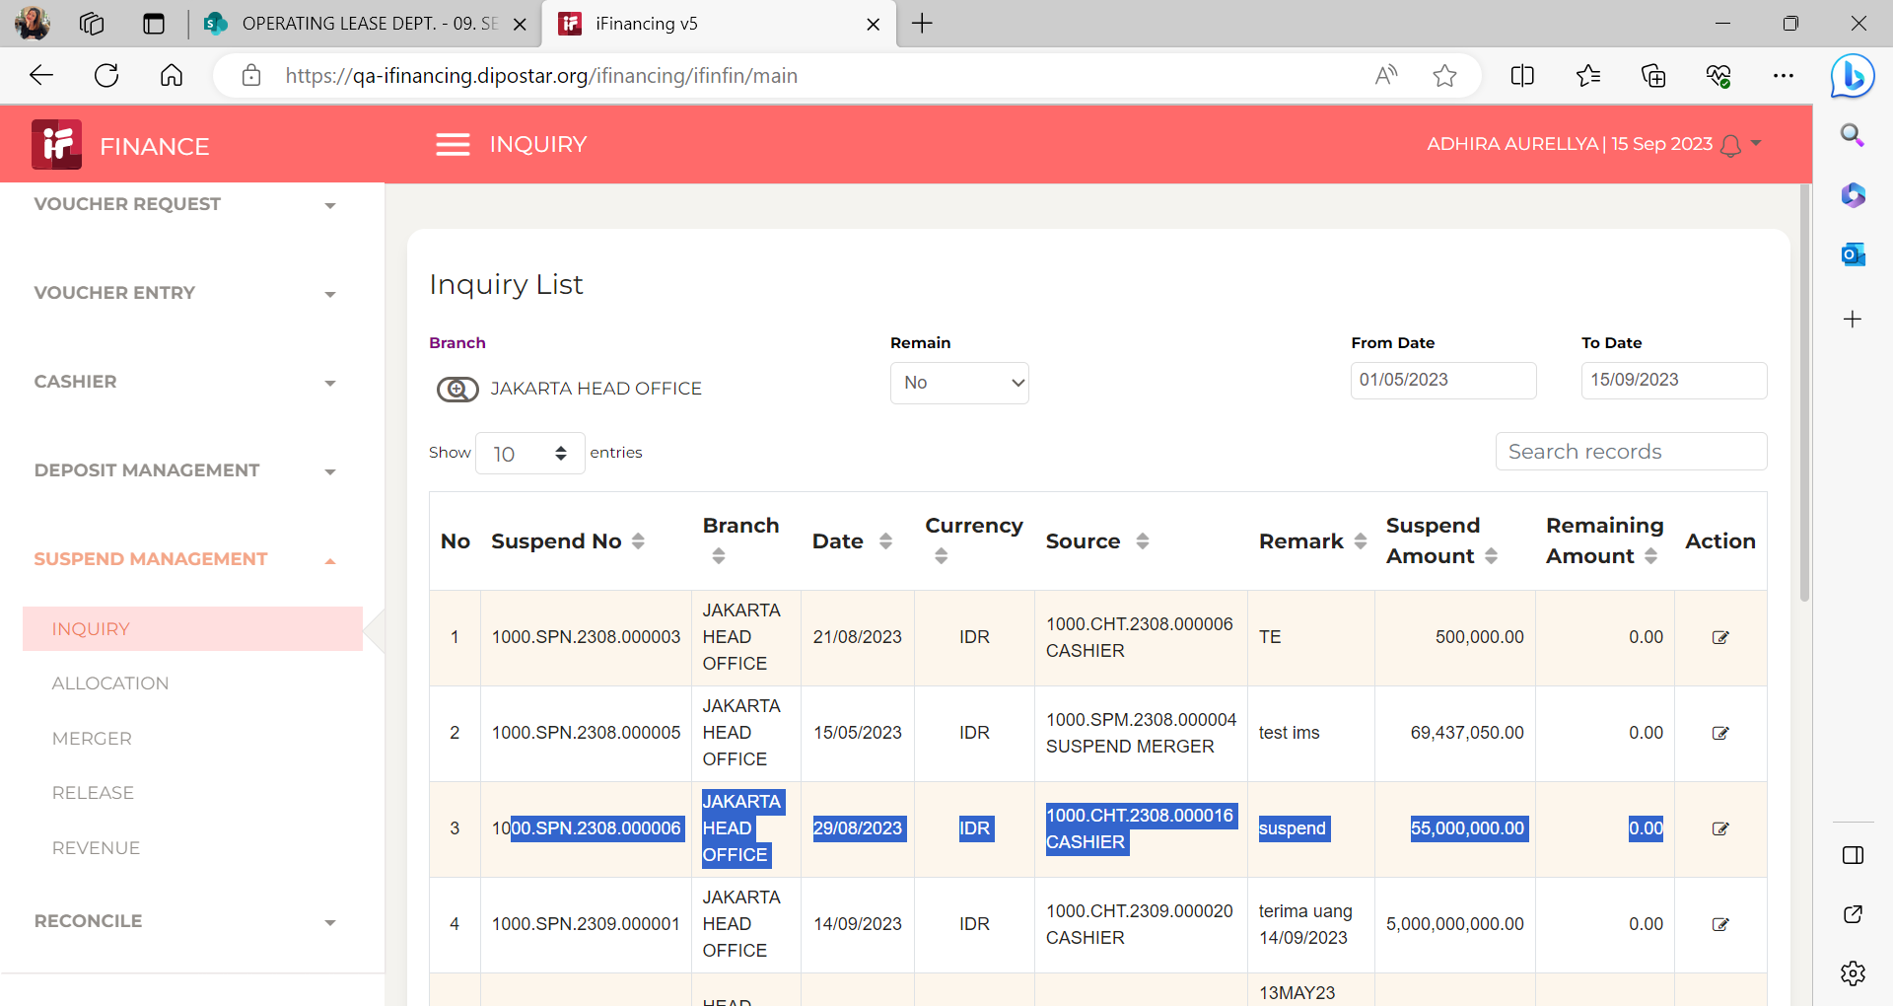
5

6

7

8

9

10

11

13

14

15

16

17

18

19

20

21

22

36

37

38

39

41

43

44

45

46

EVD_FIN 08-02 (Febby)
Test Case ID | FIN08-02
Test Case Summary | Lakukan Entry Suspend Merger

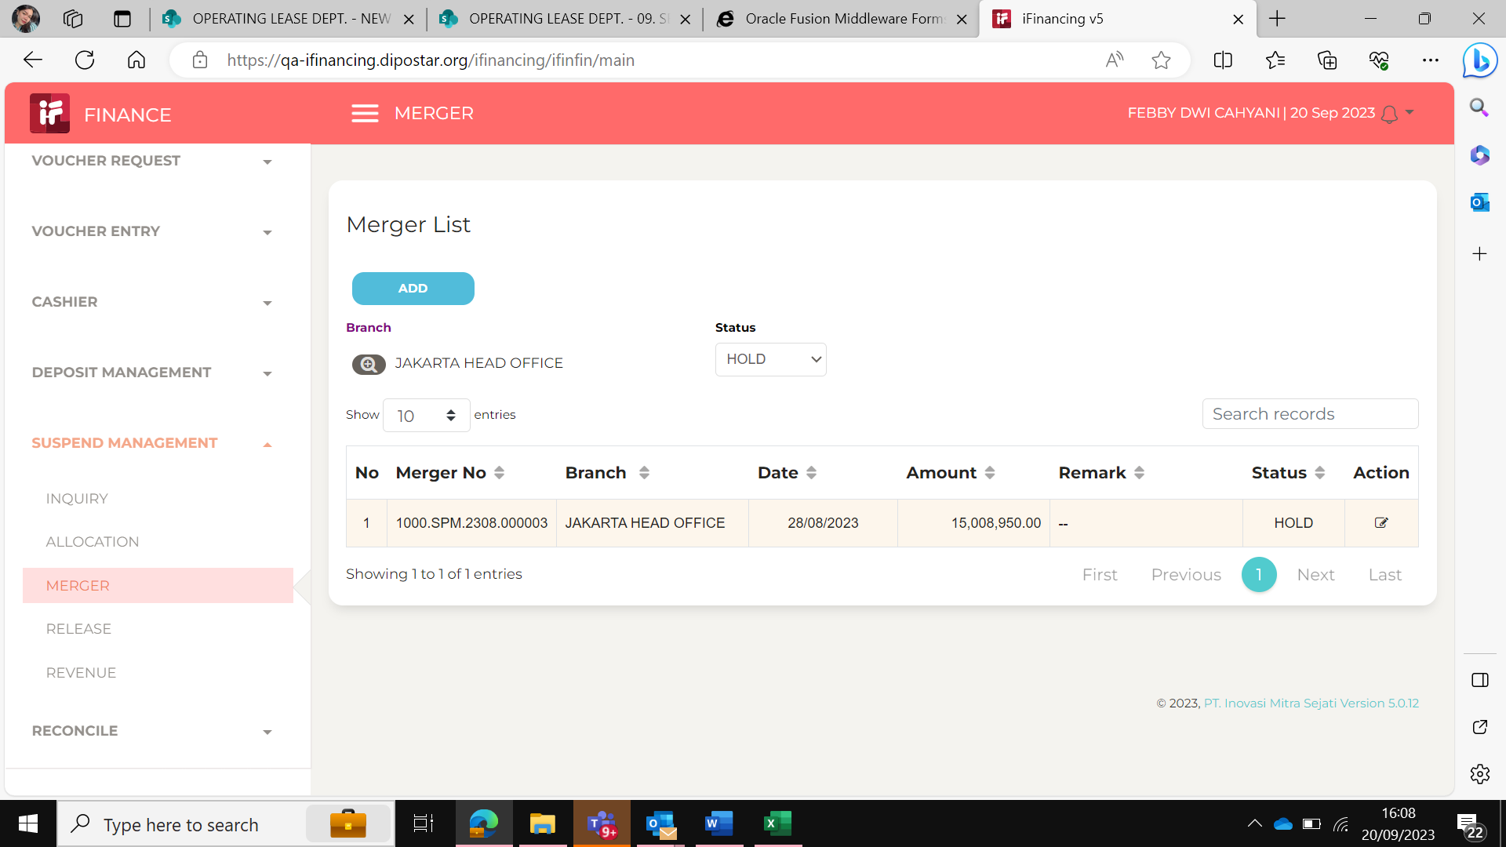
Step # | Test Evidence | Re-Test Evidence (if found Bug/Issue)
1

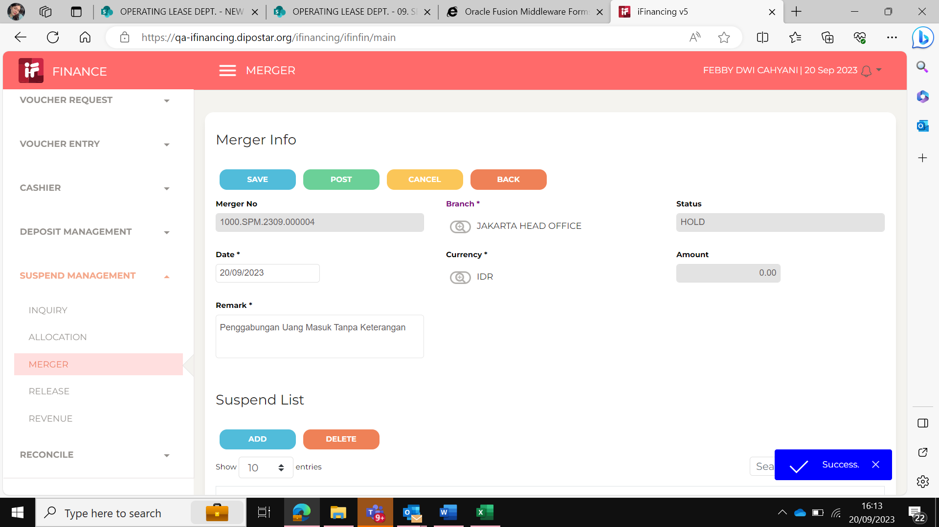
2

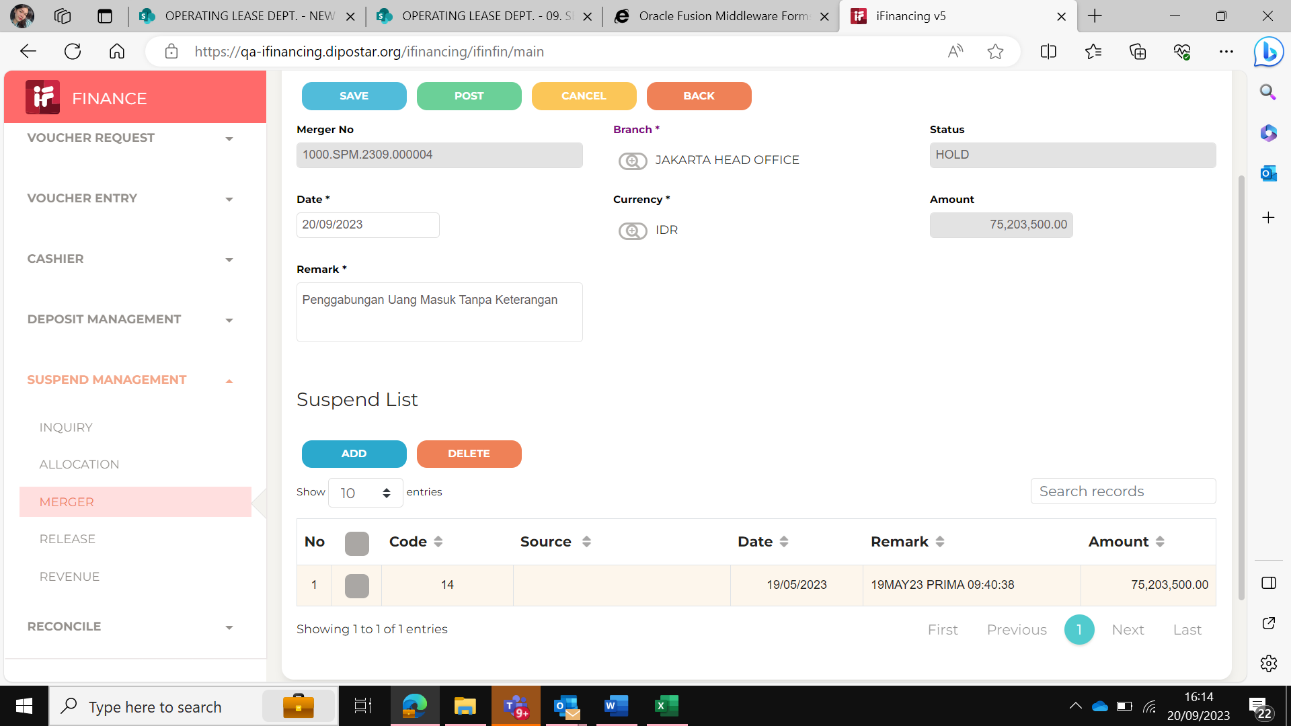
3

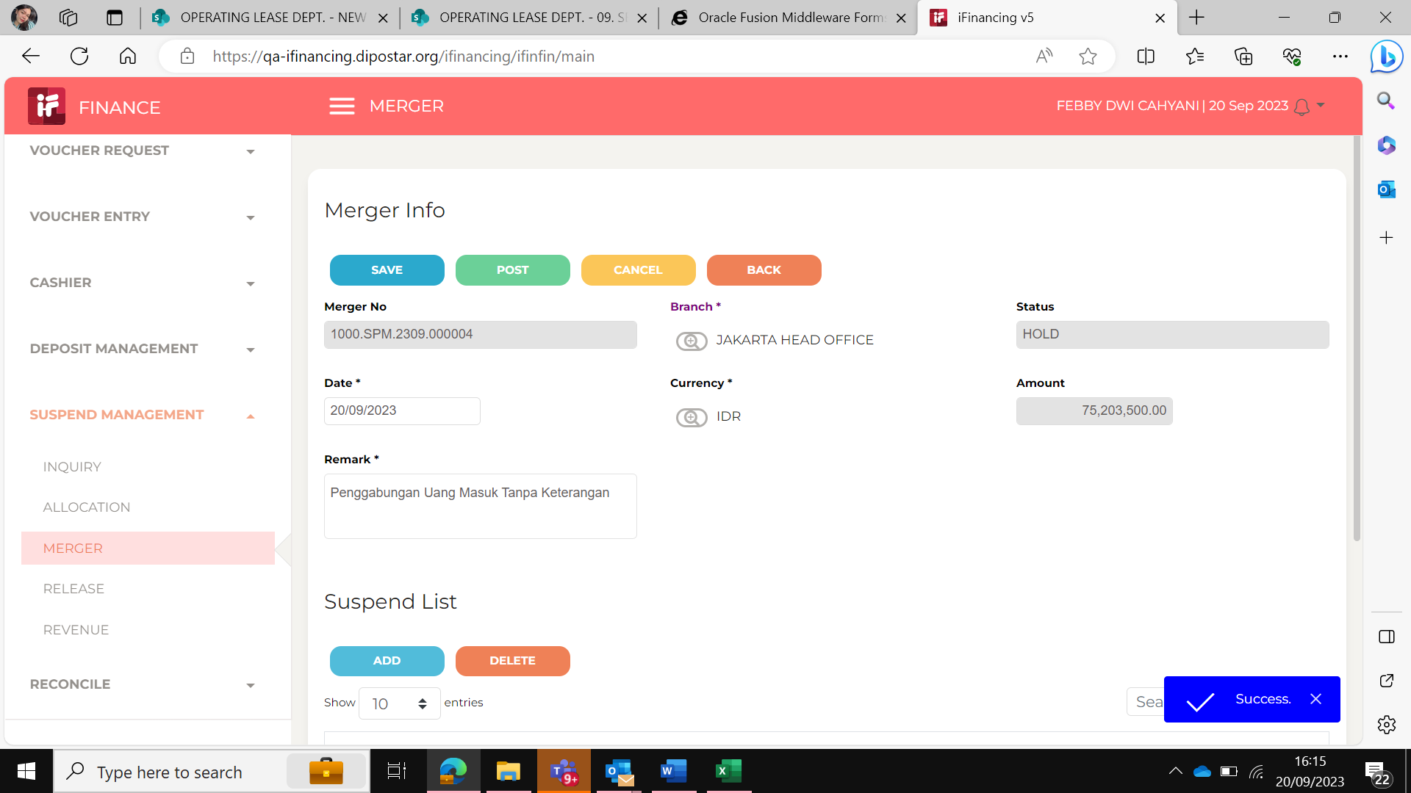
4

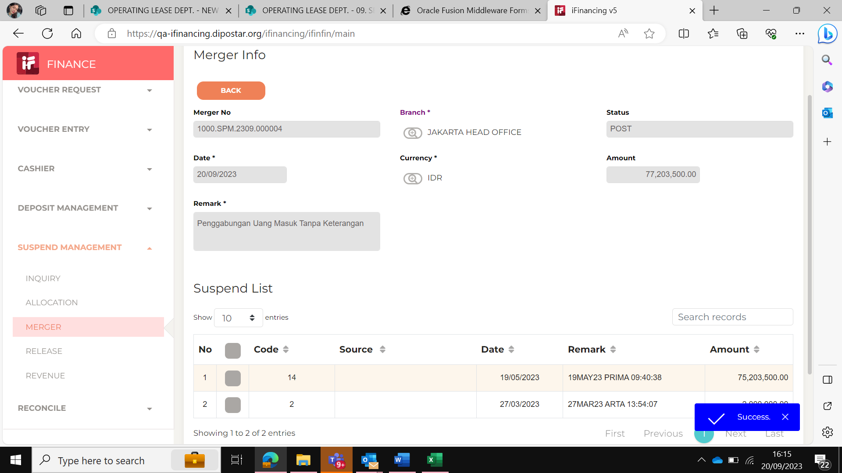
5

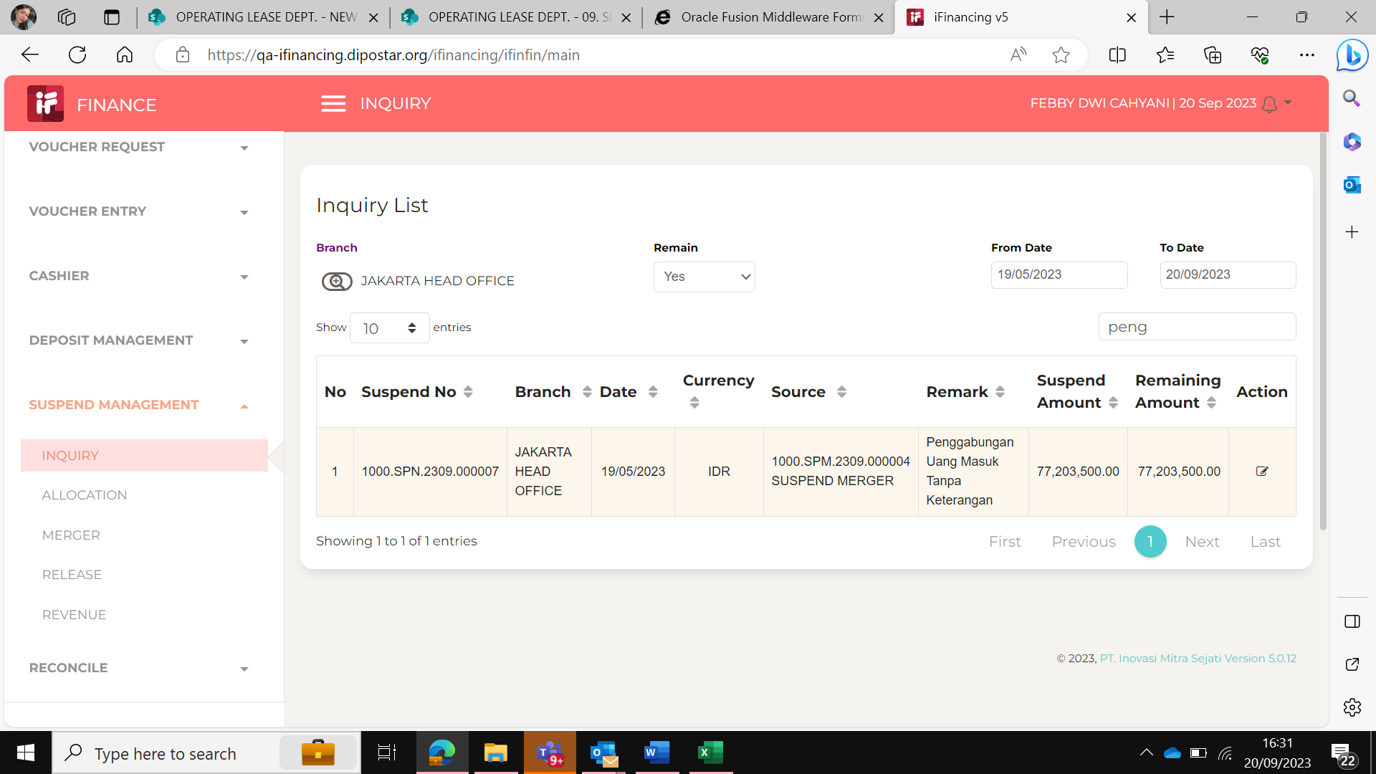
6

7

8

9

10

11

13

14

15

16

17

18

19

20

21

22

36

37

38

39

41

43

44

45

46

